Sheet1
Advance excel function applications

 | Instructions :
 | 1. Where the cells are green its coded
 | 2. Placed output in assignment itself
 | 3. Performed the analysis (for the last question) in another sheet

Q1 | For the table given below, make a formula for cell - D21 , to calculate the Premium (weighted average) :

 | Event | Probability | Losses

 | Maharashtra floods | 0.00034 | 1,459,752,638
 | China floods | 0.00078 | 2,563,907,245
 | Turkey floods | 0.00045 | 1,806,609,817
 | Afghanistan flood | 0.00012 | 4,744,734,847
 | Uttarakhand floods | 0.00029 | 9,765,708,137

 |  | Premium | 3,389,172,478.30

Q2 | Consider below table :

 | Month | Name | Gender | Diagnosis | Treatment
 | May | Jessica | F | Allergy | Eye drops
 | May | Rhea | F | Allergy | Eye drops
 | May | Cam | F | Cataract | Cataract surgery
 | May | John | M | Refractive Error | Distance Glasses
 | May | Jimess | `` | Cataract | Cataract surgery
 | May | Jimmy | M | Allergy | Eye drops
 | May | Manish | M | Refractive Error | Distance Glasses
 | May | Apar | M | Cataract | Cataract surgery
 | May | Aakanksha | F | Refractive Error | Distance Glasses
 | May | Rishabh | M | Allergy | Eye drops
 | May | Kavita | F | Allergy | Eye drops
 | May | Kavitri | F | Refractive Error | Distance Glasses
 | May | Ankita | F | Cataract | Cataract surgery
 | Jun | Amit | M | Refractive Error | Distance Glasses
 | Jun | Pramud | M | Allergy | Eye drops
 | Jun | Nathan | M | Ptergyium | Eye drops
 | Jun | Happy | M | Ptergyium | Eye drops
 | Jun | Nancy | F | Cataract | Cataract surgery
 | Jun | Vaishali | F | Ptergyium | Eye drops
 | Jun | Abhishek | M | Cataract | Cataract surgery
 | July | Veronica | F | Ptergyium | Eye drops
 | July | Laqshay | M | Cataract | Cataract surgery
 | July | Saumay | M | Ptergyium | Eye drops
 | July | Venissa | F | Cataract | Cataract surgery
 | July | Richa | F | Cataract | Cataract surgery

 | a. Perform Data analysis on the above table (you can use pivot table, data visualisations etc.)
 | b. Create a vlookup function which takes input as the name of patient from above table and outputs the treatment they should use

 |  | Enter Name | Vaishali
 |  | Treatment | Eye drops
 |  | Diagnosis | Ptergyium

Q3 | Put 1 of 3 Percentages in a Formula |  |  | Mutually Exclusive Categories | Claim | %
 | Claim | $5,000.00 |  | 0 >= Claim < 5000 | $0 | 0.00%
 | Discount | 100 | 0 | 5000 >= Claim < 10000 | $5,000 | 2.00%
 |  |  | 0 | Claim > = 10000 | $10,000 | 4.00%

 | Multiple IF Rule # 1: Be sure to start at top and go to bottom, or at the bottom and go to the top
 | Multiple IF Rule # 2: If there are 3 possibilities, there are 2 IFs, If there are 4 possibilities, there are 3 IFs, etc.

 | VLOOKUP to Replace IF |  |  | Mutually Exclusive Categories | Claim | %
 | Claim | $11,000.00 |  | 0 >= Claim < 5000 | $0 | 0.00%
 | Discount | 440 |  | 5000 >= Claim < 10000 | $5,000 | 2.00%
 |  |  |  | Claim > = 10000 | $10,000 | 4.00%

Q4 | Product ID | Units | Date | Comments |  | Product ID | Units
 | BDU-2071 | 4854 | 15-05-09 | Comments 1 |  | XVY-8409 | 7404
 | LVB-2213 | 2073 | 16-05-09 | Comments 2 |  | RVO-7202 | 3450
 | XRQ-2356 | 1713 | 17-05-09 | Comments 3 |  | GZQ-9838 | 1579
 | LNR-9553 | 7521 | 18-05-09 | Comments 4 |  | COV-7365 | 8570
 | XVY-8409 | 7404 | 19-05-09 | Comments 5 |  | QVK-9053 | 9599
 | RVO-7202 | 3450 | 20-05-09 | Comments 6
 | XVJ-6482 | 9588 | 21-05-09 | Comments 7
 | IDI-4744 | 837 | 22-05-09 | Comments 8
 | MWQ-7107 | 4846 | 23-05-09 | Comments 9
 | TRG-4292 | 8562 | 24-05-09 | Comments 10
 | RKQ-9102 | 1594 | 25-05-09 | Comments 11
 | ZLO-7423 | 6807 | 26-05-09 | Comments 12
 | GZQ-9838 | 1579 | 27-05-09 | Comments 13
 | WXF-1289 | 7202 | 28-05-09 | Comments 14
 | HDE-8067 | 5388 | 29-05-09 | Comments 15
 | BFE-9956 | 3489 | 30-05-09 | Comments 16
 | ESQ-9805 | 2394 | 31-05-09 | Comments 17
 | COV-7365 | 8570 | 39819 | Comments 18
 | YVF-8029 | 3309 | 39850 | Comments 19
 | IIV-2646 | 3326 | 39878 | Comments 20
 | QVK-9053 | 9599 | 39909 | Comments 21
 | VZZ-9501 | 3159 | 39939 | Comments 22

Q5 | Name | Score |  | Maximum score | Lookup Name with Max Score
 | Student 1 | 53 |  | 99 | Student 3
 | Student 2 | 18
 | Student 3 | 99
 | Student 4 | 45
 | Student 5 | 19
 | Student 6 | 27
 | Student 7 | 85
 | Student 8 | 0

Q6 | Company | Stock Name | Price on: 3-1-2007 | Price on: 3-1-2008 | % Change
 | Microsoft Corp | MSFT | 27.7 | 20.24 | -36.86
 | Whole Foods Market Inc | WFMI | 46.13 | 20.93 | -120.40
 | Yahoo! Inc | YHOO | 30.86 | 14.14 | -118.25
 | Google Inc | GOOG | 448.23 | 393.69 | -13.85
 | Citigroup Inc | C | 48.78 | 2.97 | -1542.42

NUMBER OF PASSENGERS IN TWO DIFFERENT YEAR
Q7 | Draw a line chart for the following data, show all the labelling, legend, and data in the chart to make it more informative.
 | Month | Number of Passengers (2019) | Number of Passengers (2020)
 | Jan | 65018 | 516488
 | Feb | 98622 | 513892
 | Mar | 80250 | 601952
 | Apr | 168020 | 645779
 | May | 203820 | 690354
 | Jun | 192000 | 680354
 | Jul | 277600 | 679354
 | Aug | 315585 | 669354
 | Sep | 312052 | 689098
 | Oct | 393756 | 698765
 | Nov | 433932 | 708976
 | Dec | 474838 | 710982

Q8 | Draw a Scatter plot for the following data, show all the labelling, legend, and line of best fit in the chart to make it more informative.
 | Customers Contacted | Total Sales
 | 749 | $850,115.00
 | 938 | $1,368,542.00
 | 659 | $1,043,856.00
 | 1865 | $2,519,615.00
 | 887 | $518,008.00
 | 583 | $687,357.00
 | 1278 | $967,446.00
 | 609 | $440,307.00
 | 787 | $897,180.00
 | 1747 | $2,119,111.00
 | 864 | $1,404,864.00
 | 580 | $1,057,340.00
 | 859 | $1,253,281.00
 | 515 | $811,640.00
 | 1084 | $2,022,744.00
 | 1710 | $2,470,950.00
 | 720 | $985,680.00
 | 1691 | $1,589,540.00
 | 1500 | $150,000.00

Q9
 | Car Type | Price
 | Ford | 23786.76
 | Chevy | 19445.16
 | Toyota | 18044.6 |  | Criteria
 | Ford | 18991.32 |  | find median price where car type is Ford |  | 22404.15
 | Chevy | 23322.2 |  | Total price where Price<20000 |  | 810974.48
 | Ford | 23926.96 |  | Count all whose Car Type is Toyota |  | 29
 | Toyota | 18316.54 |  | Total price where Car type is Toyota |  | 661983.88
 | Chevy | 18299.78 |  | Count all where car type is Ford and Chevy |  | 74
 | Toyota | 29285.05
 | Toyota | 28647.13
 | Ford | 18911.24
 | Toyota | 23707.73
 | Chevy | 28364.93
 | Ford | 19069.35
 | Chevy | 29235.43
 | Chevy | 22852.86
 | Toyota | 22827.9
 | Toyota | 23328.26
 | Toyota | 28623.23
 | Chevy | 29218.49
 | Ford | 22562.2
 | Chevy | 29933.76
 | Chevy | 22081.98
 | Chevy | 23675.21
 | Ford | 18030.97
 | Ford | 29399.13
 | Ford | 28241.3
 | Ford | 22698.48
 | Chevy | 17924.14
 | Toyota | 29330.06
 | Ford | 28630.23
 | Toyota | 28979.41
 | Toyota | 17971.51
 | Ford | 22439.09
 | Chevy | 17971.05
 | Chevy | 22404.15
 | Ford | 23304.6
 | Chevy | 18011.32
 | Toyota | 29655.44
 | Chevy | 18726.78
 | Ford | 18307.89
 | Toyota | 18106.98
 | Chevy | 18160.33
 | Chevy | 23885.92
 | Ford | 29950.56
 | Ford | 17826.59
 | Chevy | 23497.36
 | Chevy | 18743.24
 | Chevy | 19362.94
 | Ford | 29044.49
 | Ford | 18396.37
 | Toyota | 29840.56
 | Toyota | 29878.32
 | Ford | 18752.6
 | Chevy | 23019.2
 | Ford | 28408.11
 | Toyota | 17580.72
 | Ford | 22388.68
 | Toyota | 18524.01
 | Toyota | 22476.48
 | Toyota | 18005.49
 | Chevy | 22567.96
 | Chevy | 28612.91
 | Ford | 17609.12
 | Ford | 18536.84
 | Chevy | 19175.77
 | Ford | 23925.6
 | Ford | 17526.26
 | Chevy | 21993.54
 | Chevy | 17703.47
 | Ford | 23019.51
 | Chevy | 18814.99
 | Ford | 23130.84
 | Toyota | 29305.15
 | Ford | 28938.59
 | Chevy | 19128.03
 | Toyota | 19108.7
 | Ford | 18824.68
 | Toyota | 19182.08
 | Ford | 19458.24
 | Toyota | 23863.92
 | Chevy | 29161.45
 | Ford | 18083.3
 | Chevy | 29592.8
 | Toyota | 18656.47
 | Ford | 18116.15
 | Toyota | 17723.55
 | Toyota | 22277.44
 | Toyota | 22286.19
 | Chevy | 17633.34
 | Toyota | 18432.72
 | Chevy | 28593.79
 | Ford | 22284.63
 | Ford | 23024.93
 | Ford | 19515.51
 | Ford | 29236.4
 | Toyota | 18018.24
 | Chevy | 22444.65
 | Ford | 18246.1
 | Chevy | 29185.35
 | Chevy | 23836.68

Q10 Convert the date format as specified

 | DD/MM/YYYY | MM/DD/YYYY |  | MDDYYYY | DD/MM/YYYY
 | 2021-08-12 | 2021-08-12 |  | 1272021 | 12/07/2021
 | 2021-01-04 | 2021-08-13 |  | 2272021 | 22/07/2021
 | 2021-08-01 | 2021-08-14 |  | 3012021 | 30/01/2021
 | 2021-06-09 | 2021-08-15 |  | 3022021 | 02/03/2021
 | 21/05/2021 | 2021-08-16 |  | 3052021 | 30/05/2021
 | 2021-11-12 | 2021-08-17 |  | 3062021 | 30/06/2021
 | 24/03/2021 | 2021-08-18 |  | 3112021 | 31/01/2021
 | 2021-12-01 | 2021-08-19 |  | 3172021 | 31/07/2021
 | 28/08/2021 | 2021-08-20 |  | 3172021 | 31/07/2021
 | 2021-06-01 | 2021-08-21 |  | 3242021 | 02/05/2021
 | 13/05/2021 | 2021-08-22 |  | 3242021 | 02/05/2021
 | 2021-08-04 | 2021-08-23 |  | 3252021 | 01/06/2021
 | 2021-06-03 | 2021-08-24 |  | 3262021 | 02/07/2021
 | 22/11/2020 | 2021-08-25 |  | 3272021 | 01/08/2021
 | 2021-04-08 | 2021-08-26 |  | 3292021 | 02/10/2021
 | 2021-11-03 | 2021-08-27 |  | 3292021 | 02/10/2021
 | 2021-06-01 | 2021-08-28 |  | 3302021 | 02/01/2021
 | 2021-10-01 | 2021-08-29 |  | 3302021 | 02/01/2021

Question ans-2
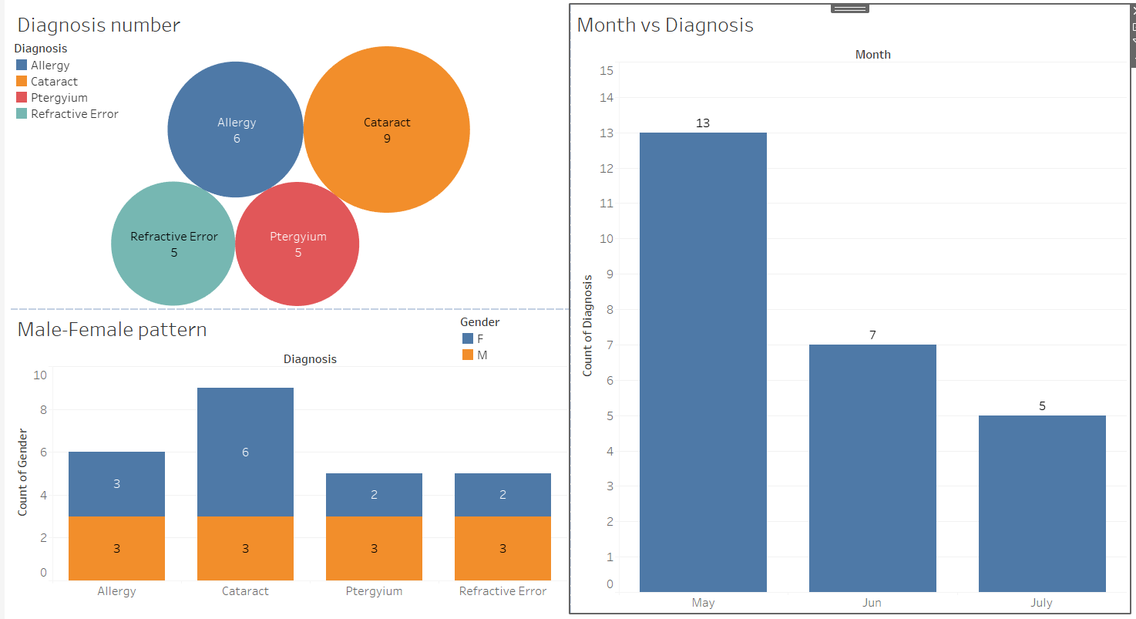

Count of Diagnosis | Column Labels
Row Labels | Allergy | Cataract | Ptergyium | Refractive Error | Grand Total
May | 5 | 4 |  | 4 | 13
July |  | 3 | 2 |  | 5
Jun | 1 | 2 | 3 | 1 | 7
Grand Total | 6 | 9 | 5 | 5 | 25

Count of Gender | Column Labels
Row Labels | F | M | Grand Total
Allergy | 3 | 3 | 6
Cataract | 6 | 3 | 9
Ptergyium | 2 | 3 | 5
Refractive Error | 2 | 3 | 5
Grand Total | 13 | 12 | 25

